graph
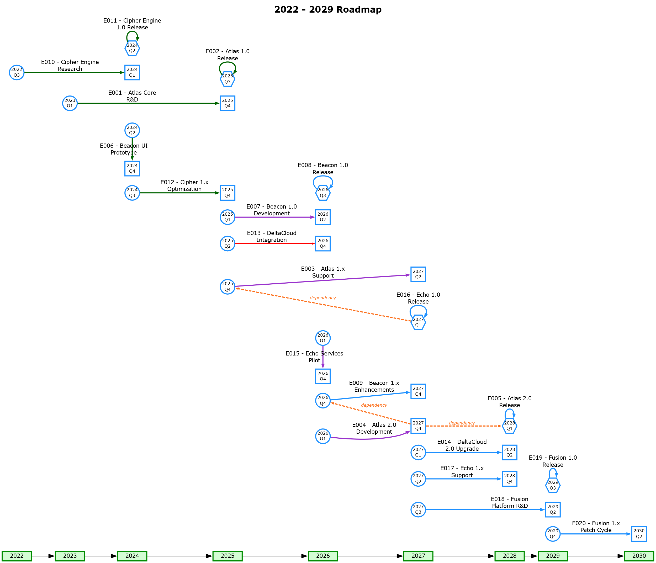

styles
Style Name | Description | Format | Properties | Style Type | All Styles | No Clusters | No Edges
node |  |  |  | node | yes | yes | yes
edge |  |  |  | edge | yes | yes | no
subgraph-open |  |  |  | subgraph-open | yes | no | yes | 
subgraph-close |  |  |  | subgraph-close | yes | no | yes
keyword |  |  |  | keyword | yes | yes | yes
native |  |  |  | native | yes | yes | yes
Year |  | shape=rect height="0.25" width="0.75" fixedsize=True fillcolor="#D3FDD3" color=Green4 penwidth=2 fontname=Verdana fontsize=10 fontcolor=Black style=filled |  | node | yes | yes | yes
Start |  | shape=circle height="0.375" width="0.375" fixedsize=True fillcolor=white color=DodgerBlue penwidth=2 fontname=Verdana fontsize=8 fontcolor=Black style=filled |  | node | yes | yes | yes
Finish |  | shape=square height="0.375" width="0.375" fixedsize=True fillcolor=white color=DodgerBlue penwidth=2 fontname=Verdana fontsize=8 fontcolor=Black style=filled |  | node | yes | yes | yes
Same |  | shape=hexagon height="0.375" width="0.375" fixedsize=True fillcolor=white color=DodgerBlue penwidth=2 fontname=Verdana fontsize=8 fontcolor=Black style=filled |  | node | yes | yes | yes
Planned |  | color=DodgerBlue penwidth=2 radius=9 labelangle=90 labeldistance="1.5" arrowsize="0.5" fontname=Verdana fontsize=10 labelfontsize=8 labelfontcolor=Red |  | edge | yes | yes | no
Completed |  | color=DarkGreen penwidth=2 radius=9 labelangle=90 labeldistance="1.5" arrowsize="0.5" fontname=Verdana fontsize=10 labelfontsize=8 labelfontcolor=Red |  | edge | yes | yes | no
On Schedule |  | color=DarkOrchid penwidth=2 radius=9 labelangle=90 labeldistance="1.5" arrowsize="0.5" fontname=Verdana fontsize=10 labelfontsize=8 labelfontcolor=Red |  | edge | yes | yes | no
Behind Schedule |  | color=Red penwidth=2 radius=9 labelangle=90 labeldistance="1.5" arrowsize="0.25" fontname=Verdana fontsize=10 labelfontsize=8 labelfontcolor=Red |  | edge | yes | yes | no
Dependency |  | style=dashed color="#FC6F1B" penwidth=2 radius=9 labelangle=90 labeldistance="1.5" arrowsize="0.25" fontname="Verdana Italic" fontsize=8 fontcolor="#FC6F1B" labelfontsize=8 labelfontcolor=Red |  | edge | yes | yes | no
Transparent Edge |  | color=Transparent fontsize=10 fontcolor=Transparent |  | edge | yes | yes | no
Page Title |  | labelloc=top fontname="Verdana Bold" fontsize=16 fontcolor=Black |  | freetext | yes | yes | yes

sql
 | SQL SELECT Statement | Data File | Status

# | Clear the 'data' worksheet |  | SKIPPED
 | RESET |  | SUCCESS | Timeline | Dependency

# | Specify the workbook containing the data |  | SKIPPED
 | SET DATA FILE | timeline.accdb | SUCCESS | Timeline | Dependency
✎
# | Log errors to a file |  | SKIPPED
 | ENABLE LOGGING |  | SUCCESS | Timeline | Dependency

# | Give the graph a title |  | SKIPPED
 | SELECT 'graph' AS [Item], CStr(MIN([StartYear])) & ' - ' & CStr(MAX([StartYear])) & ' Roadmap' AS [Label], 'Page Title' AS [Style Name] FROM timeline |  | SUCCESS | Timeline | Dependency

# | Creates a chain of edges from year to year. We use ENUMERATE syntax to fill in any potential years which may not have any events in them. |  | SKIPPED
 | SELECT TRUE AS [ENUMERATE], MIN(CLng([StartYear])) AS [START AT], MAX(CLng([EndYear])) AS [STOP AT], 1 AS [STEP BY], '{step}' AS [Item], 'Transparent Edge' AS [Style Name], TRUE AS [CREATE EDGES] FROM timeline WHERE IsNumeric([StartYear]) |  | SUCCESS | Timeline

# | Add styling to all the year nodes created in the chain above |  | SKIPPED
 | SELECT TRUE AS [ENUMERATE], MIN(CLng([StartYear])) AS [START AT], MAX(CLng([EndYear])) AS [STOP AT], 1 AS [STEP BY], '{step}' AS [Item], '{step}' AS [Label], 'Year' AS [Style Name] FROM timeline WHERE IsNumeric([StartYear]) |  | SUCCESS | Timeline

# | Create the edges between the start and finish of an event which spans multiple quarters |  | SKIPPED
 | SELECT [EventID] & '_Start' AS [Item], [EventID] & '_End' AS [Related Item], [EventID] & ' - ' & [EventName] AS [Label] , [Status] AS [Style Name], 20 AS [SPLIT LENGTH] FROM timeline WHERE [StartYear] IS NOT NULL AND [EndYear] IS NOT NULL AND [StartYear] & [StartQuarter] <> [EndYear] & [EndQuarter] ORDER BY [StartYear] DESC, [StartQuarter] DESC |  | SUCCESS | Timeline | Dependency

# | Create the edges between events that start and finish in the same year and quarter |  | SKIPPED
 | SELECT [EventID] & '_Start' AS [Item], [EventID] & '_Start' AS [Related Item], [EventID] & ' - ' & [EventName] AS [Label] , [Status] AS [Style Name], 20 AS [SPLIT LENGTH] FROM timeline WHERE [StartYear] IS NOT NULL AND [EndYear] IS NOT NULL AND [StartYear] & [StartQuarter] = [EndYear] & [EndQuarter] ORDER BY [StartYear] ASC, [StartQuarter] ASC |  | SUCCESS | Timeline | Dependency

# | Create the edges that highlight any Event dependencies |  | SKIPPED
 | SELECT 'dependency' AS [Label], SWITCH( t.[StartYear] & t.[StartQuarter] = t.[EndYear] & t.[EndQuarter], d.[Must Complete] & '_Start', True, d.[Must Complete] & '_End' ) AS [Item], d.[Before the Start Of] & '_Start' AS [Related Item], 'Dependency' AS [Style Name] FROM dependencies AS d INNER JOIN timeline AS t ON t.[EventID] = d.[Must Complete] WHERE d.[Must Complete] IS NOT NULL AND d.[Before the Start Of] IS NOT NULL; |  | SUCCESS | Timeline | Dependency

# | Place all the events of a given year on the same rank by placing the nodes in subgroups with CREATE RANK. We use ITERATE to create a subgroup per year, as a normal query would put the results into one giant subgroup. Nodes must be grouped before the styling is applied. NOTE: 2 single quotes are required on each side of text (e.g. ''same'') as it is a string within a string (the whole SQL). |  | SKIPPED
 | SELECT TRUE AS [ITERATE], 'SELECT DISTINCT [StartYear] AS [ID] FROM timeline' AS [SQL FOR ID], 'SELECT TRUE AS [CREATE RANK], ''same'' AS [RANK], [StartYear] AS [ITEM] FROM timeline WHERE [StartYear] = {ID} AND [StartYear] & [StartQuarter] <> [EndYear] & [EndQuarter] UNION SELECT TRUE AS [CREATE RANK], ''same'' AS [RANK], [EventID] & ''_Start'' AS [ITEM] FROM timeline WHERE [StartYear] = {ID} AND [StartYear] & [StartQuarter] <> [EndYear] & [EndQuarter] UNION SELECT TRUE AS [CREATE RANK], ''same'' AS [RANK], [EventID] & ''_Start'' AS [ITEM] FROM timeline WHERE [StartYear] = {ID} AND [StartYear] & [StartQuarter] = [EndYear] & [EndQuarter] UNION SELECT TRUE AS [CREATE RANK], ''same'' AS [RANK], [EndYear] AS [ITEM] FROM timeline WHERE [EndYear] = {ID} AND [StartYear] & [StartQuarter] <> [EndYear] & [EndQuarter] UNION SELECT TRUE AS [CREATE RANK], ''same'' AS [RANK], [EventID] & ''_End'' AS [ITEM] FROM timeline WHERE [EndYear] = {ID} AND [StartYear] & [StartQuarter] <> [EndYear] & [EndQuarter] ' AS [SQL FOR DATA] |  | SUCCESS | Timeline

# | Apply styling to the event nodes |  | SKIPPED
 | SELECT [EventID] & '_Start' AS [Item], [StartYear] & '\n' & [StartQuarter] AS [Label], 'Start' AS [Style Name] FROM timeline WHERE [StartYear] & [StartQuarter] <> [EndYear] & [EndQuarter] |  | SUCCESS | Timeline | Dependency
 | SELECT [EventID] & '_End' AS [Item], [EndYear] & '\n' & [EndQuarter] AS [Label], 'Finish' AS [Style Name] FROM timeline WHERE [StartYear] & [StartQuarter] <> [EndYear] & [EndQuarter] |  | SUCCESS | Timeline | Dependency
 | SELECT [EventID] & '_Start' AS [Item], [StartYear] & '\n' & [StartQuarter] AS [Label], 'Same' AS [Style Name] FROM timeline WHERE [StartYear] & [StartQuarter] = [EndYear] & [EndQuarter] |  | SUCCESS | Timeline | Dependency

# |  |  | SKIPPED
# | ##################################################################################################### |  | SKIPPED
# | Quick Help |  | SKIPPED
# | ##################################################################################################### |  | SKIPPED
# |  |  | SKIPPED
# | Excel SQL Syntax |  | SKIPPED
# | https://exceltographviz.com/sql/syntax/ |  | SKIPPED
# |  |  | SKIPPED
# | Clear the 'data' worksheet |  | SKIPPED
# | RESET |  | SKIPPED
# |  |  | SKIPPED
# | Turn on/off logging of errors to file 'Relationship Visualizer ADO Log.txt' |  | SKIPPED
# | ENABLE LOGGING |  | SKIPPED
# | DISABLE LOGGING |  | SKIPPED
# |  |  | SKIPPED
# | Write environment diagonostic information to file 'Relationship Visualizer ADO Log.txt' |  | SKIPPED
# | LOG ENVIRONMENT |  | SKIPPED
# |  |  | SKIPPED
# | Specify the workbook containing the data |  | SKIPPED
# | SET DATA FILE | Put file name here | SKIPPED
# |  |  | SKIPPED
# | Create the edges |  | SKIPPED
# | SELECT [From Column] AS [Item], [To Column] AS [Related Item] FROM [Worksheet Name$] |  | SKIPPED
# | Create the nodes |  | SKIPPED
# | SELECT [Node Id Column] AS [Item], [Node Label Column] AS [Label], [Node Style Column] AS [Style Name] FROM [Worksheet Name$] WHERE ... |  | SKIPPED
# | Create edges which chain a set of nodes |  | SKIPPED
# | SELECT [Node Id Column] AS [ITEM], TRUE AS [CREATE EDGES] FROM [Worksheet Name$] WHERE ... |  | SKIPPED
# | Create a subgraph, with constraints set to rank specified as either 'same' | 'min' | 'source' | 'max' | 'sink'. |  | SKIPPED
# | Rank constraints on the nodes in a subgraph. If rank="same", all nodes are placed on the same rank. If rank="min", all nodes are placed on the minimum rank. If rank="source", all nodes are placed on the minimum rank, and the only nodes on the minimum rank belong to some subgraph whose rank attribute is "source" or "min". Analogous criteria hold for rank="max" and rank="sink". (Note: the minimum rank is topmost or leftmost, and the maximum rank is bottommost or rightmost.) |  | SKIPPED
# | SELECT [Node Id Column] AS [ITEM], TRUE AS [CREATE RANK], 'same' AS [RANK] FROM [Worksheet Name$] WHERE ... |  | SKIPPED
# | Split text for labels at first blank after 10 characters |  | SKIPPED
# | SELECT [Label Column] AS [Label], 10 AS [SPLIT LENGTH], ... |  | SKIPPED
# | Specify the line ending (\l, \n, \r, | etc.) to use when splitting a label |  | SKIPPED
# | SELECT [Label Column] AS [Label], 10 AS [SPLIT LENGTH], '\r' AS [LINE ENDING], ... |  | SKIPPED
# | Group nodes into a cluster |  | SKIPPED
# | SELECT [Cluster Id Column] AS [CLUSTER], [Cluster Label Column] AS [CLUSTER LABEL], [Cluster Style Name Column] AS [CLUSTER STYLE NAME], [Cluster Attributes] AS [CLUSTER ATTRIBUTES], [Cluster Tooltip Column] AS [CLUSTER TOOLTIP], [Node Id Column] AS [Item], [Node Label Column] AS [Label], [Node Style Name Column] AS [Style Name], ... |  | SKIPPED
# | Group nodes into two level clusters |  | SKIPPED
# | SELECT [Outer Cluster Id Column] AS [CLUSTER], [Outer Cluster Label Column] AS [CLUSTER LABEL], [Outer Cluster Style Name Column] AS [CLUSTER STYLE NAME], [Outer Cluster Attributes] AS [CLUSTER ATTRIBUTES], [Outer Cluster Tooltip Column] AS [CLUSTER TOOLTIP], [Inner Cluster Id Column] AS [SUBCLUSTER], [Inner Cluster Label Column] AS [SUBCLUSTER LABEL], [Inner Cluster Style Name Column] AS [SUBCLUSTER STYLE NAME], [Inner Cluster Attributes] AS [SUBCLUSTER ATTRIBUTES], [Inner Cluster Tooltip Column] AS [SUBCLUSTER TOOLTIP], [Node Id Column] AS [Item], [Node Label Column] AS [Label], [Node Style Name Column] AS [Style Name], ... |  | SKIPPED
# | Loop count substitution strings (useful in sortv= attributes, style names, and labels). %clc% = Cluster count %scc% = Subcluster count %rsc% = Record set count |  | SKIPPED
# | SELECT 'sortv=%clc%' AS [CLUSTER ATTRIBUTES], 'Border %clc% ' AS [CLUSTER STYLE NAME], 'sortv=%scc%' AS [SUBCLUSTER ATTRIBUTES], 'sortv=%rsc%' AS [Attributes], ... FROM [Worksheet Name$] WHERE ... ORDER BY [Outer Cluster Label Column] ASC, [Inner Cluster Label Column] ASC, [Node Label Column] ASC |  | SKIPPED
# | Show the graph immediately after all SQL statements processed |  | SKIPPED
# | PREVIEW [ AS ( DIRECTED | UNDIRECTED ) GRAPH ] |  | SKIPPED
# |  |  | SKIPPED
# | Publish graphs as files |  | SKIPPED
# | PUBLISH [ ALL VIEWS ] [ AS ( DIRECTED | UNDIRECTED ) GRAPH ] [ file prefix ] |  | SKIPPED
#

